Indices

 | Iraq Stock Exchange
 | Bulletin No (59)
 | ISX Trading Indices of Wednesday 8/4/2026

 | Traded Volume and OTC |  | 1,447,024,229 |  | Traded Value and OTC |  | 1,382,484,706 |  | Traders | 1311

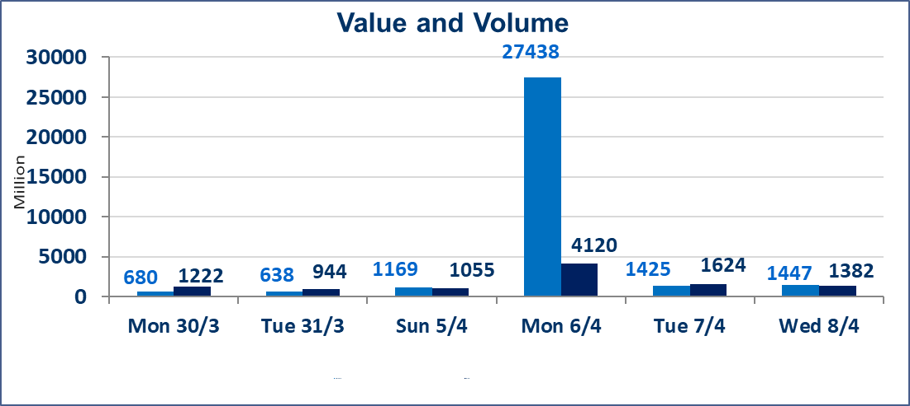
 | ISX Index 60 |  |  | 988.01 | ISX Index 15 |  |  | 1264.42
 | Previous ISX Index60 |  |  | 970.40 | Previous ISX Index15 |  |  | 1243.67
 | Change % |  |  | 1.81 | Change % |  |  | 1.67
 | Change |  |  | 17.61 | Change |  |  | 20.75

 | Listed Companies | 104 | OTC | 14 | Non Traded listed | 43 | OTC | 13
 | Traded Listed Companies | 49 | OTC | 1 | Higher Companies |  |  | 25
 | GAM Companies |  |  | 3 | Lower Companies |  |  | 6
 | Suspended Companies |  |  | 9
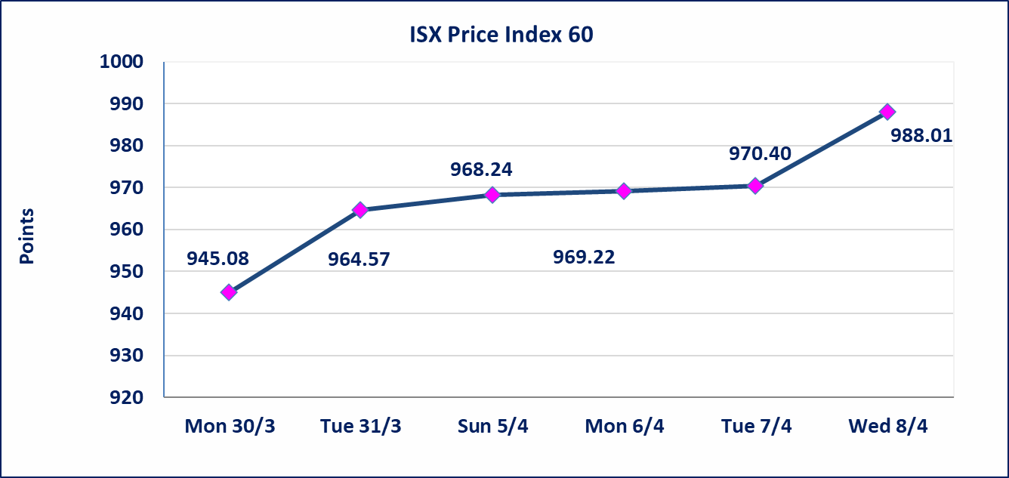
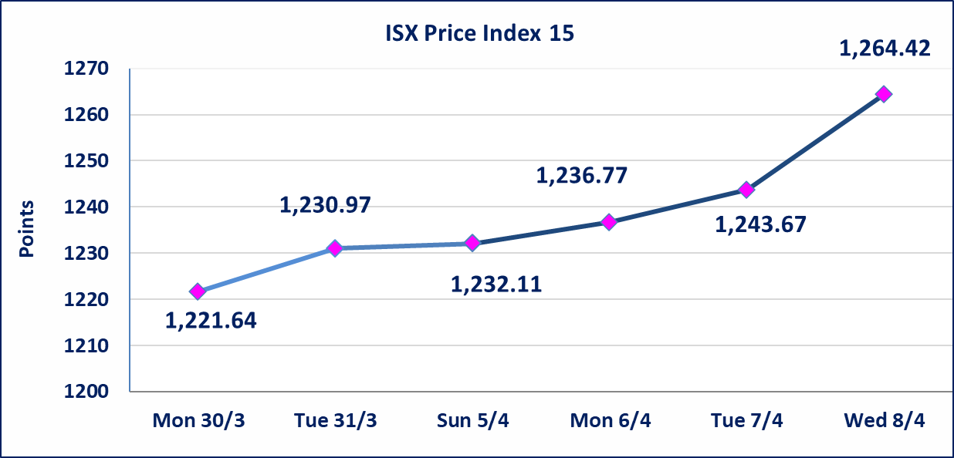

Al-Alwiya P.O . 3607 Mobile: 07711211522 - 07270094594 - 07834000034 E-mail: info-isx@isx-iq.net Web site:www.isx-iq.net

Top 5
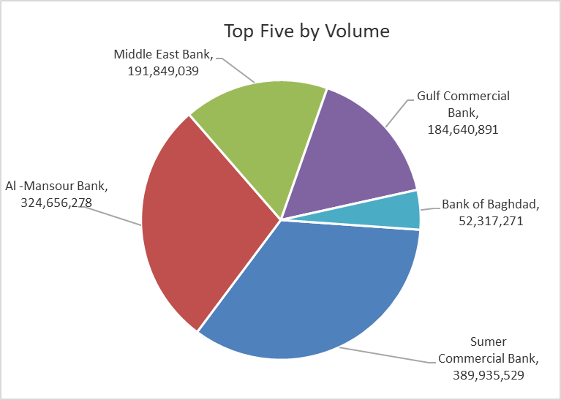
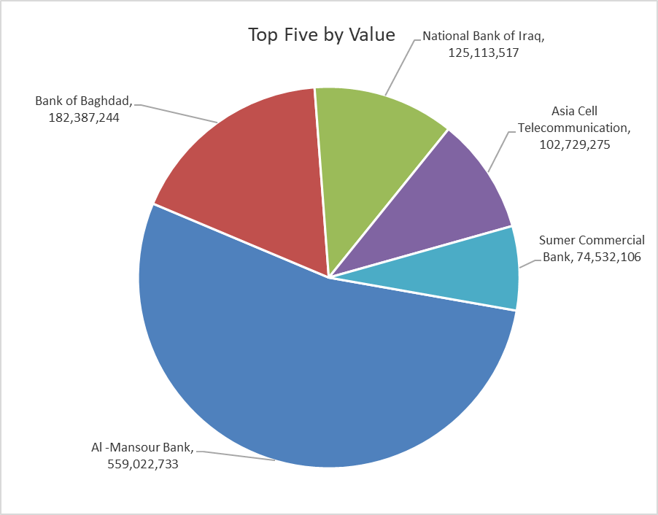

ISX top ganing and losing companies
Wednesday 8/4/2026
 | Gainers |  |  |  | Losers
 | Company Name | Closing Price | Change (%) | Traded Volume | Company Name | Closing Price | Change (%) | Traded Volume
 | Middle East Bank | 0.090 | 12.50 | 191,849,039 | Al-Ameen for Insurance | 0.880 | -2.22 | 3,169,976
 | Sumer Commercial Bank | 0.200 | 5.26 | 389,935,529 | Al-Mansour Pharmaceuticals Industries | 2.200 | -2.22 | 8,464,502
 | Iraqi Islamic Bank | 1.050 | 5.00 | 2,073,000 | Agricultural Products Meat | 4.450 | -2.20 | 207,858
 | Kharkh Tour Amuzement City | 4.500 | 4.90 | 175,000 | Modern Sewing | 5.420 | -1.45 | 201,370
 | Al -Mansour Bank | 1.740 | 4.82 | 324,656,278 | AL-Badia for General Trans | 1.000 | -0.99 | 1,049,209
 | The most active companies in term of traded volume and value

 | Traded Volume |  |  |  | Traded Value
 | Company Name | Closing Price | Change (%) | Traded Volume | Company Name | Closing Price | Change (%) | Traded Value
 | Sumer Commercial Bank | 0.200 | 5.26 | 389,935,529 | Al -Mansour Bank | 1.740 | 4.82 | 559,022,733
 | Al -Mansour Bank | 1.740 | 4.82 | 324,656,278 | Bank of Baghdad | 3.480 | 1.16 | 182,387,244
 | Middle East Bank | 0.090 | 12.50 | 191,849,039 | National Bank of Iraq | 5.080 | 1.60 | 125,113,517
 | Gulf Commercial Bank | 0.360 | 2.86 | 184,640,891 | Asia Cell Telecommunication | 15.600 | 3.52 | 102,729,275
 | Bank of Baghdad | 3.480 | 1.16 | 52,317,271 | Sumer Commercial Bank | 0.200 | 5.26 | 74,532,106

Non Iraqi

Iraq Stock Exchange
Non Iraqis' Bulletin Wednesday April 8 2026
Regular Market

Non Iraqi Trading of Regular Market (Buy)
Company Names | Code | No.of trades | Traded Shares | Trading Volume
Banks Sector
Investment Bank of Iraq | BIBI | 5 | 30,000,000 | 6,600,000
Total Bank sector |  | 5 | 30,000,000 | 6,600,000
Grand Total |  | 5 | 30,000,000 | 6,600,000

Non Iraqi Trading of Regular Market (Sell)
Company Names | Code | No.of trades | Traded Shares | Trading Volume
Banks Sector
National Bank Of Iraq | BNOI | 31 | 3,600,000 | 18,374,828
Total Bank sector |  | 31 | 3,600,000 | 18,374,828
Telecommunication Sector
Asia cell | TASC | 17 | 3,000,000 | 46,307,442
Total Telecommunication sector |  | 17 | 3,000,000 | 46,307,442
Grand Total |  | 48 | 6,600,000 | 64,682,270

Not Trading Bonds

Iraq Stock Exchange
Wednesday 8/4/2026
Not Trading Bonds Bulletin
Bond type | Publish type | Code | last trading price | immortilize date
Banaa Bonds /Million ID | Second | CB20 | 964,981 | 19/12/2025
Eamar Bonds /Million ID | First | CB30 | 1,001,095 | ــــــــــــــــ
Eamar Bonds /Million ID | Second | CB40 | ــــــــــــــــ | ــــــــــــــــ
Eamar Bonds /500 Thousand ID | Third | CB45 | ــــــــــــــــ | ــــــــــــــــ
Eamar Bonds /Million ID | Third | CB50 | ــــــــــــــــ | ــــــــــــــــ
Injaz Bonds /500 Thousand ID | First | CB55 | ــــــــــــــــ | ــــــــــــــــ
Injaz Bonds /Million ID | First | CB60 | ــــــــــــــــ | ــــــــــــــــ
Injaz Bonds /500 Thousand ID | Second | CB65 | 503,793 | ــــــــــــــــ
Injaz Bonds /Million ID | Second | CB70 | 965,050 | ــــــــــــــــ
Injaz Bonds /500 Thousand ID | Third | CB75 | ــــــــــــــــ | ــــــــــــــــ
Injaz Bonds /Million ID | Third | CB80 | 978,182 | ــــــــــــــــ
National Bonds/Million ID | First | CB90 | ــــــــــــــــ | ــــــــــــــــ
National Bonds/500 Thousand ID | Second | CB95 | ــــــــــــــــ | ــــــــــــــــ
National Bonds/Million ID | Second | CB100 | ــــــــــــــــ | ــــــــــــــــ

